UseCases
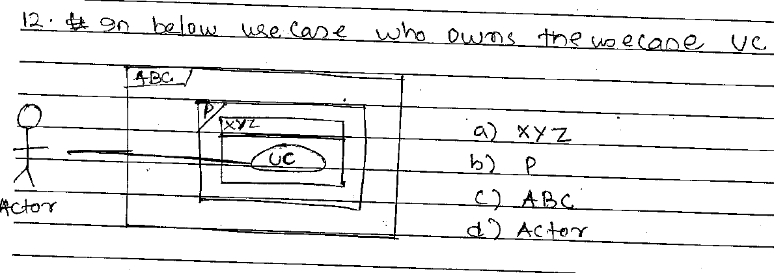

 | Answer : a)

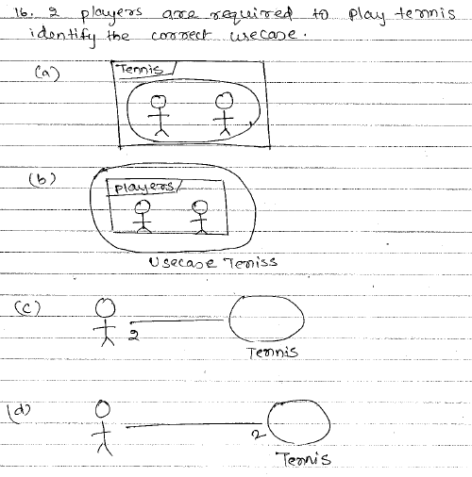

 | Answer : c)

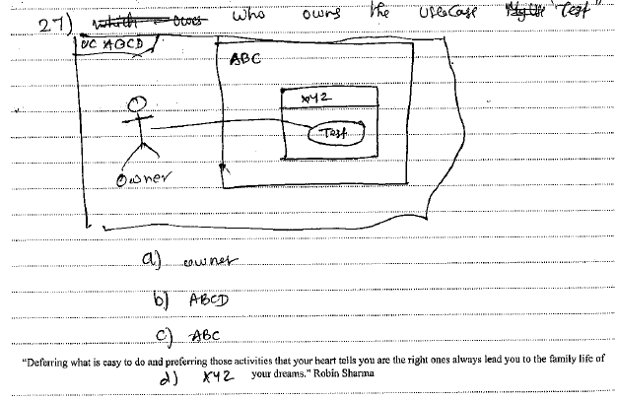

 | Answer :d)

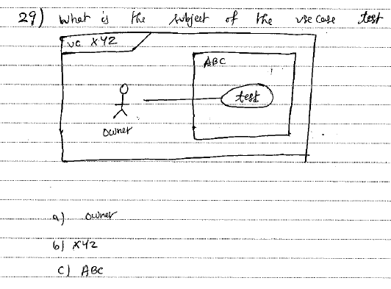

 | Answer :c)

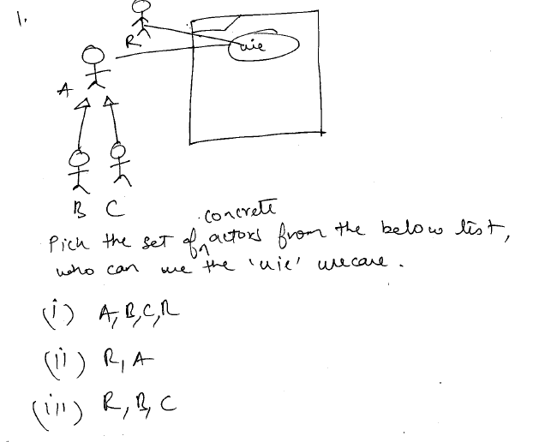

 | Answer :iii)

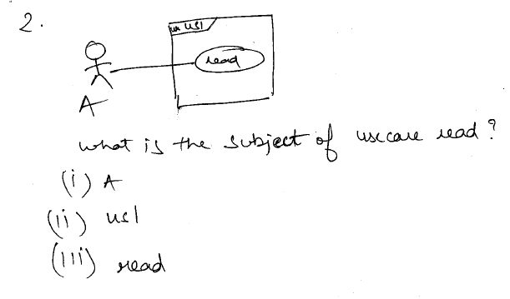

 | Answer :ii)

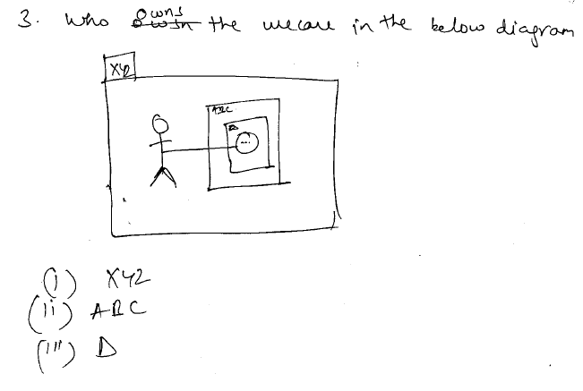

 | Answer :i)

INCOMPLETE QUESTIONS

Classes
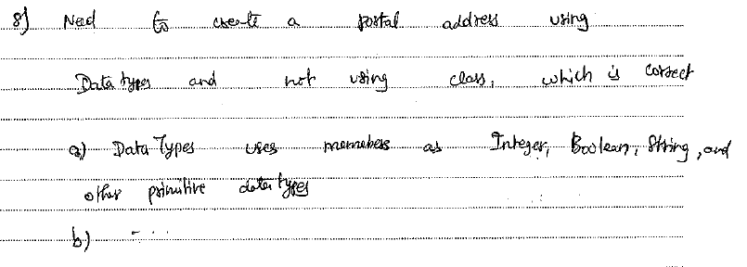
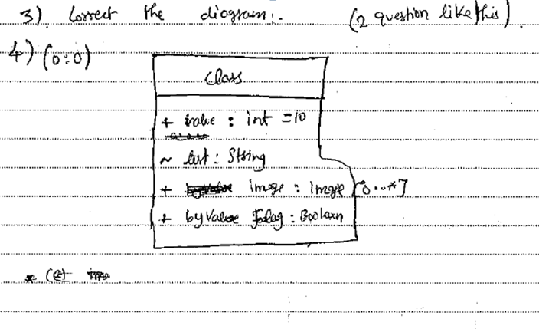
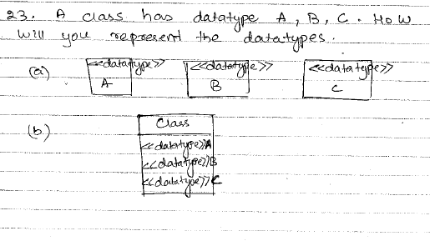
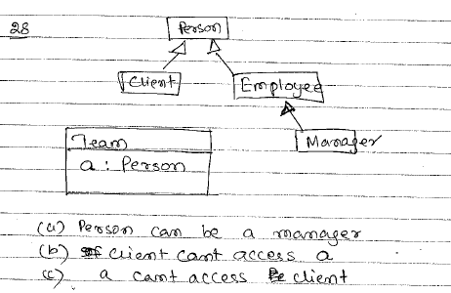
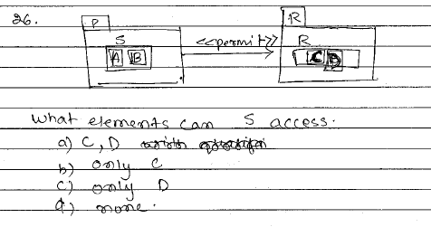

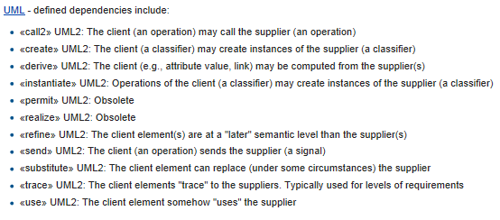

 |  | Answer :
 |  | Out of Specification (UML 2.5)
 |  | permit' dependency is obselete since UML2.0

 |  | Answer : d) or b) - (need to recheck exact question)
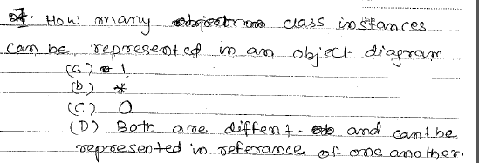 |  | d) Class Diagrams show only classes and their relationships ;Object Diagrams show instance of classes and how each instance is linked (associated to another instance) & internal values of the object at different points in time
 |  | They ideally are different and cannot refer to each other

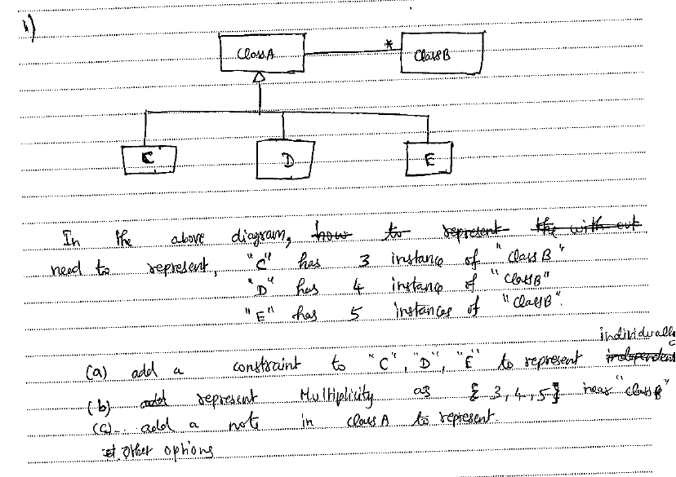

 |  | Answer : Other options
 |  | (a) such a constraint strictly cannot be specified as a boolean expression, as the number of instances of class B associated with C, D or E is relationship determined before mode is realized. Hence it cannot strictly be modeled by a constraint (which is basically an evaluation of the boolean expression containing values, e.g. from context)
 |  | (b) is not correct ; as multiplicity syntax does not permit this
 |  | (c) incorrect to attach a note to class A, as association being documented is C, D or E
 |  | (d) other options - may be OK (such as a note to C, D and E separately)

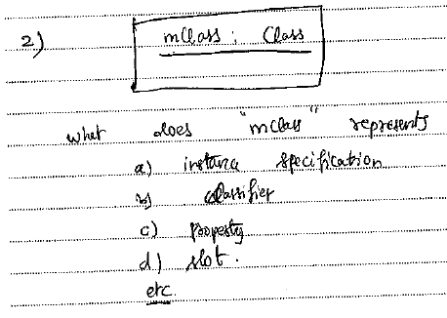

 |  | Answer : a)

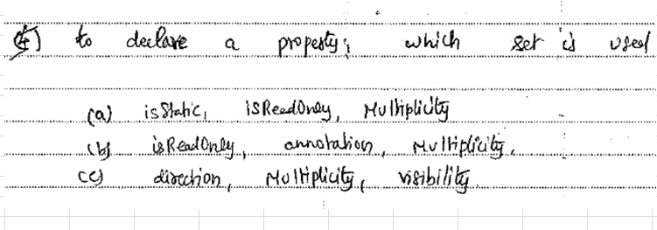

 |  | Answer : a)

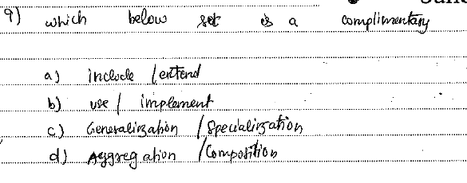

 |  | Answer : c)
 |  | generalization and specialization are complements of each other

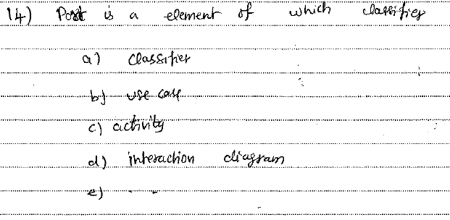

 |  | Answer : a)

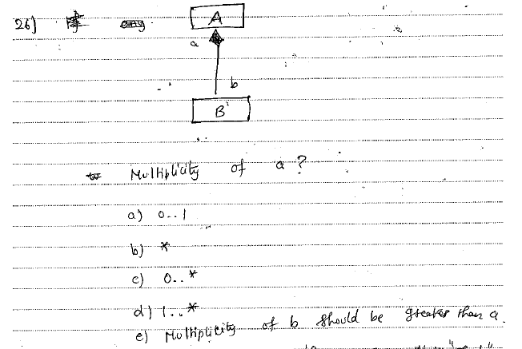

 |  | a) is closest to be correct; part object be included in at most one composite object. Buta cannot have multiplicity as B is always bound to 1 object of A
 |  | a) is closest to be correct; part object be included in at most one composite object => not shared among multiple objects Note : But a cannot have multiplicity as B is always bound to 1 object of A => 0 lower bound may be incorrect…Check if 1..1 option is available

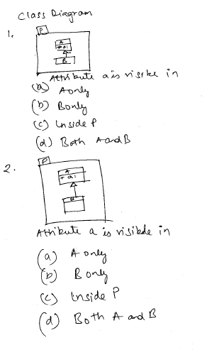

 |  | Answer : d)
 |  | (d) as 'a' is marked as protected : '#'

 |  | Answer : d)
 |  | (d) as 'a' is marked as public : +

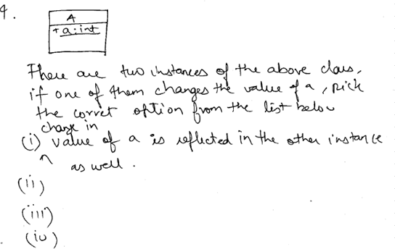

 |  | Answer :
 |  | (a ) is incorrect : as 'a' is not mentioned as static

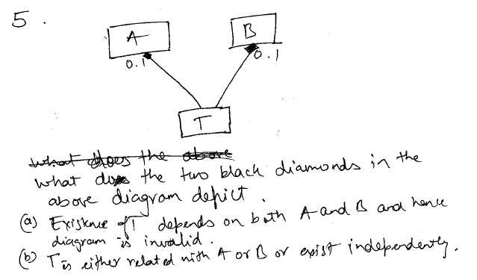

 |  | Answer:
 |  | (a) diagram is not invalid ; as T need to be in atmost one instance of A or in atmost one instance of B => T can exist provided only A or B is instantiated, as T resides in either A or B
 |  | (b) T cannot exist independently
 |  | check any other options……

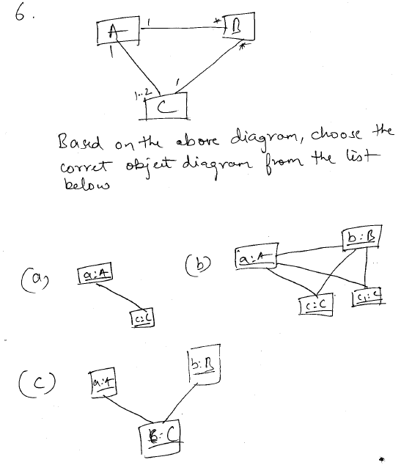

 |  | Answer : a)
 |  | '*' multiplicity implies 0..*. Hence an instance of A & C need not be associated with any instance of B
 |  | (b) b:B cannot have two links to 2 instances of C, as only 1 link is allowed to C
 |  | (c )B has to be associated with 1 instance of A ; link missing

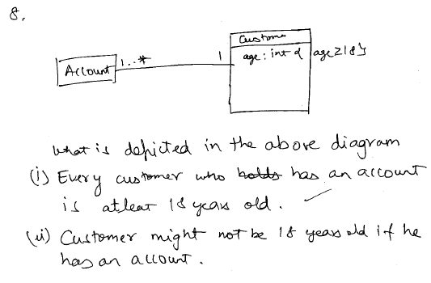

 |  | Answer : i)

 | INCOMPLETE QUESTIONS

Sequence
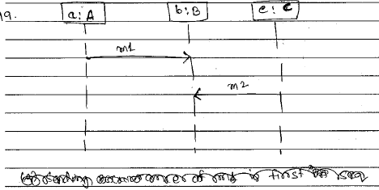

 | Answer : b) Note other options are missing
 | Refer Slide 28 in the PPT
 | "The instances in an interaction in principle operate independently of each other. No global notion of time is assumed"
 | "The only dependencies between the timing of the instances come from the restriction that a message must be sent before it is received "

 | Answer : Only the currently selected object is destroyed and the rest of the objects can still participate in an interaction

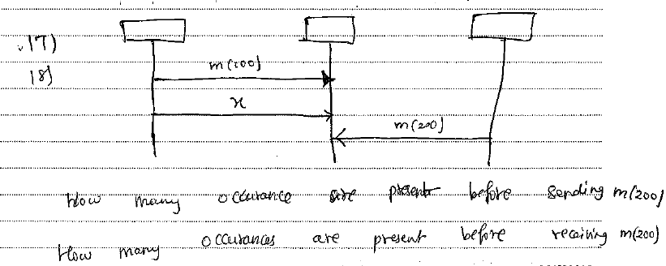

 | Answer : Minimum number of occurences before sending m(200) is 0 Minimum number of occurences before receiving m(200) is 5 (excluding execution occurrence specifications)
 | Refer Slide 28 in the PPT
 | "The instances in an interaction in principle operate independently of each other. No global notion of time is assumed"

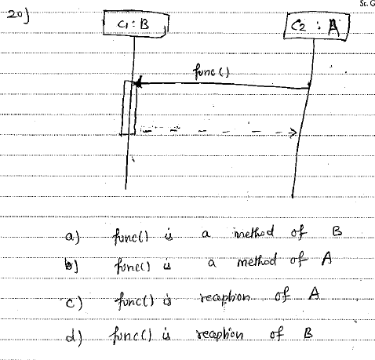

 | Answer : a)

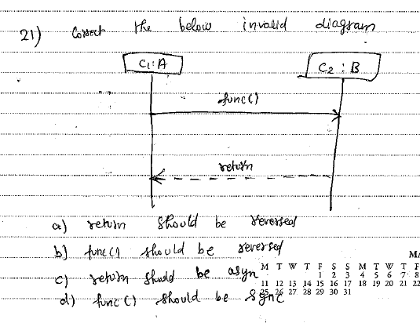

 | Answer : d)
 | Refer Slide 42 in the PPT
 | "If the messageSort is reply, then the Message represents the return from a synchronous call to the Operation"

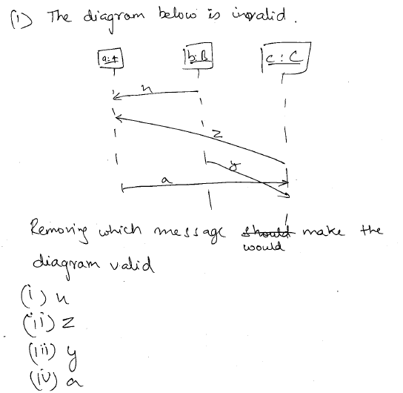

 | Answer :ii)
 | Refer Slide 45 in the PPT
 | "The line must be such that every line fragment is either horizontal or downwards when traversed from send event to receive event "

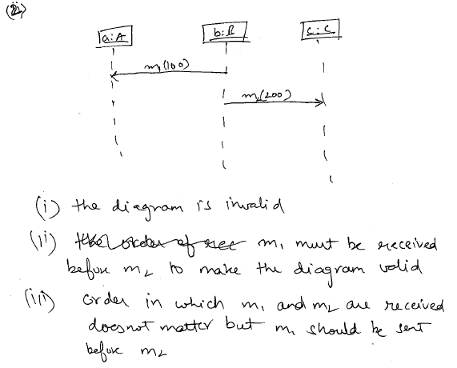

 | Answer :iii)
 | Refer Slide 28 in the PPT
 | "The only dependencies between the timing of the instances come from the restriction that a message must be sent before it is received "

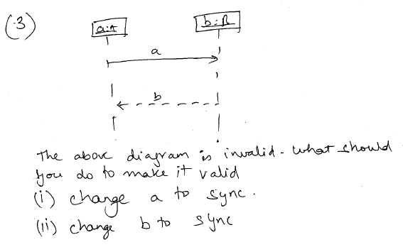

 | Answer : a)
 | Refer Slide 42 in the PPT
 | "If the messageSort is reply, then the Message represents the return from a synchronous call to the Operation"

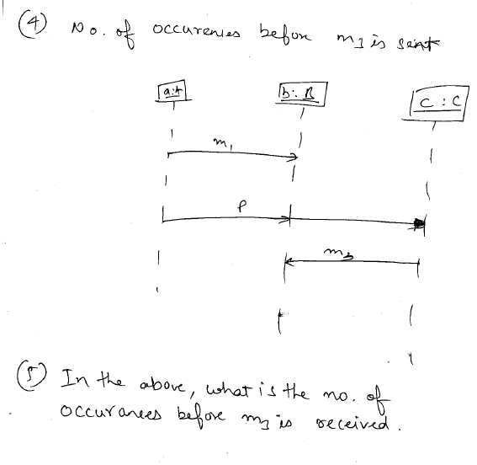

 | Answer : 6 2 message occurrence specifications per message (Add the execution occurrence specifications if left out of the diagram) Refer Slide 34 of the PPT

 | Answer : 7 2 message occurrence specifications per message (Add the execution occurrence specifications if left out of the diagram) Refer Slide 34 of the PPT

INCOMPLETE QUESTIONS

Activity
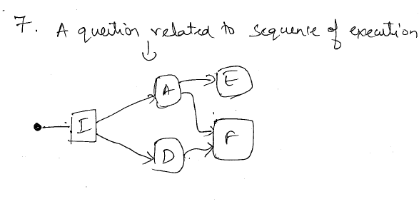
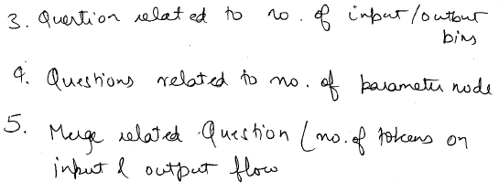
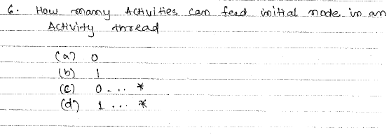
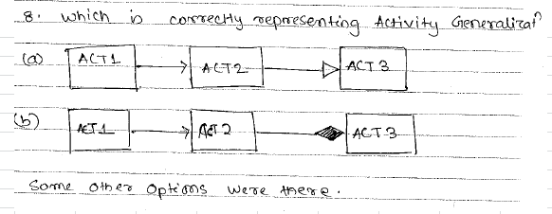
 |  | Answer : ObjectNode Refer slide 92 in PPT "Three concrete kinds of ObjectNodes : ActivityParameterNodes, CentralBufferNodes and DataStoreNodes"

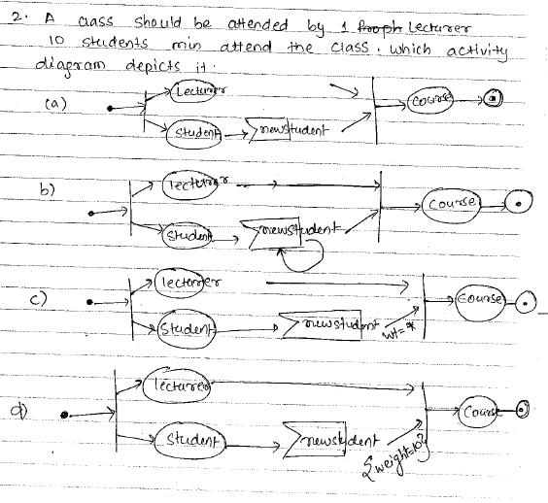

 |  | Answer : d) "Once the minimum number of tokens are offered, all the tokens offered by the source are offered to the target all at once. The minimum number of tokens must then be accepted before any tokens shall traverse the edge"

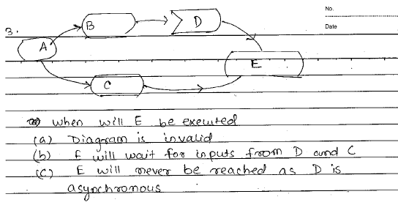
 |  | Answer : b) Not a- diagram is alright - nodes that do not have incoming edges and require no input data to execute are immediately enabled => nothing wrong with control flow starting from A
 |  | Not c - is not correct, as D is not always asynchronous,can be callevent

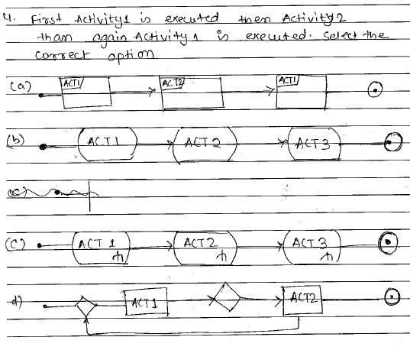

 |  | Answer : d)

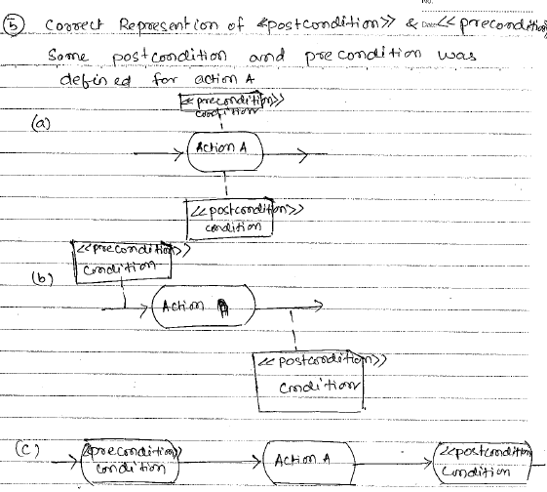

 |  | Answer : a) Refer slide 17 of PPT

 |  | Answer : Options not shown. Output Parameter nodes can have > 5 tokens or < 5 tokens or = 5nodes depending on the activity diagram. This is because Fork nodes can multiply the input tokens(> 5) & Join Nodes can combine tokens(<5). Refer slide 78 of PPT "If isCombinedDuplicate is true for the JoinNode, then before object tokens are offered to the outgoing edge, those containing objects with the same identity are combined into one token" Refer slide 76 of PPT "If at least one of these offers is accepted, the offered tokens are removed from their original source and the acceptor receives a copy of the tokens "

 |  | Answer : a) & d)
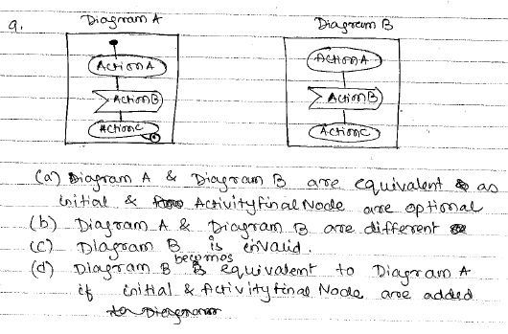 |  | Refer slide 53. Initial node is optional. "However, nodes that do not have incoming edges and require no input data to execute are immediately enabled. A single control token is placed on each enabled node and they begin executing concurrently. " Refer slide 55. Activityfinal nodes is optional : "The execution of an Activity with no streaming Parameters completes when it has no nodes executing and no nodes enabled for execution, or when it is explicitly terminated using an ActivityFinalNode "



 |  | Answer : b) => not fully certain. Precondition are only applied to enabled action nodes Postcondition are only applied to nodes which result in the finish of the activity

 |  | Answer : 4 Assumption : B has been overwritten and not shown clearly => assuming B is an executable node

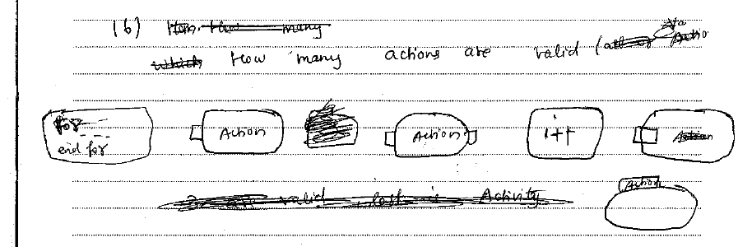

 |  | Answer : 4 (first four)
 |  | 5th notation is an activity with a parameter node 6th notation is invalid

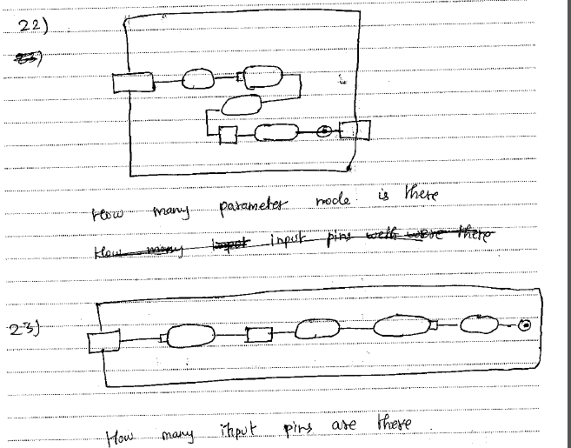

 |  | Answer : 2 Refer slide 58 Assuming the node shown before the output parameter node is not the activity final node

 |  | Answer : 3 Assuming the last action has a missing input pin. Input Pin 1 : First action input Input Pin 2 : Standalone pin mapping to input pin on the second action Input Pin 3: MISSING on the last action. Refer slide 107. "All the incoming and outgoing ActivityEdges of an ExecutableNode shall be ControlFlows"

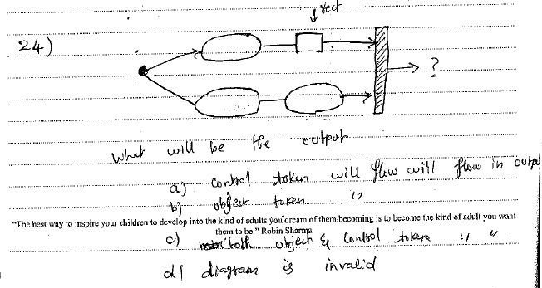

 |  | Answer : b) Refer slide 77 of PPT "If any of the incoming edges of a JoinNode are ObjectFlows, the outgoing edge shall be an ObjectFlow. Otherwise the outgoing edge shall be a ControlFlow "
 |  | Assumption : arrows are incorrectly mentioned. If arrows are not present on some edges, diagram is invalid (d)

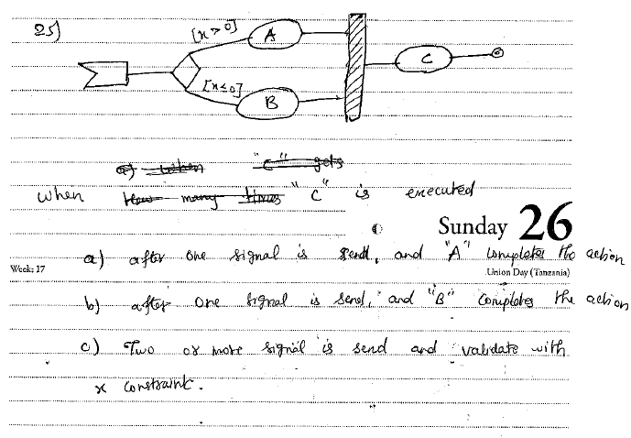

 |  | Answer : c) Refer slide 77 in PPT "implicit default joinSpec condition is that there is at least one token offered on each incoming ActivityEdge"

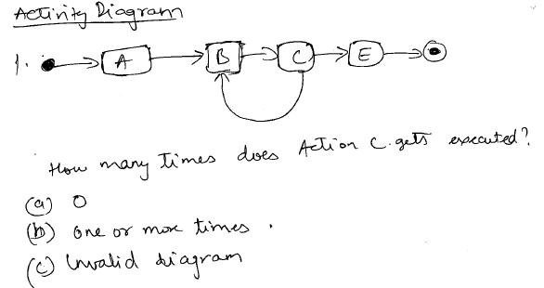

 |  | Answer : a) Refer slide 107 in PPT "An ExecutableNode shall not execute until all incoming ControlFlows (if any) are offering tokens =>there is an implicit join on the incoming Control Flows. "

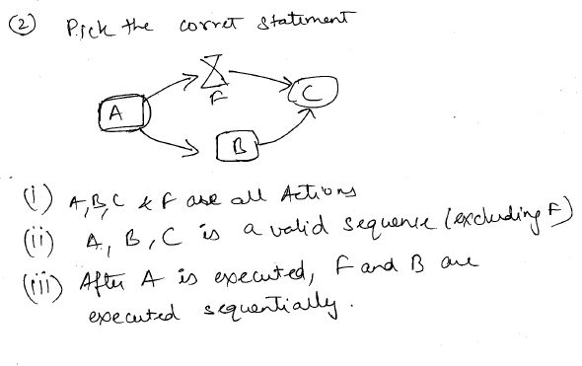

 |  | Answer : i) Assuming A is an executable node(hence Action) Please note A is not shown clearly (object node or executable node). If object node, then it is not an action F is an Accept Event Action

 |  | Note : ii) is not a valid sequence as C cannot execute without F iii) F & B may not always be sequentially executed Refer slide 36,38,107

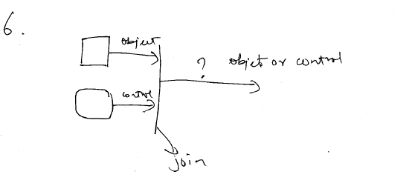

 |  | Answer : Object flow. Refer slide 77 of PPT "If any of the incoming edges of a JoinNode are ObjectFlows, the outgoing edge shall be an ObjectFlow. Otherwise the outgoing edge shall be a ControlFlow "

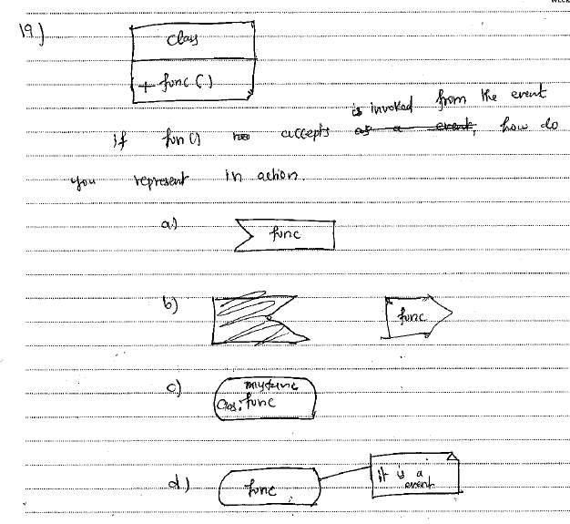

 |  | Answer : c) Refer slide 28 of PPT

 | INCOMPLETE QUESTIONS

State Machine


Answer : a)
refer slide 37 in PPT
"This Event is evaluated and, if it matches a valid Trigger of the StateMachine and there is at least one enabled Transition that can be triggered by that Event occurrence, a single StateMachine step is executed. A step involves executing a compound transition and terminating on a stable state configuration (i.e., the next wait point)."

refer slide 29 in PPT
"In the course of execution, a Transition instance is said to be: • reached, when execution of its StateMachine execution has reached its source Vertex (i.e., its source State is in the active state configuration); • traversed, when it is being executed (along with any associated effect Behavior); and • completed, after it has reached its target Vertex."

refer slide 14 in PPT
"A state configuration is said to be stable when: no further Transitions from that state configuration are enabled and "

X=-1 is executed as part of the behavior of the transition from S1 to the pseudostate. Hence the next transition uses the modified value



Answer : d)
e3, e10, e4, e5

Refer slide 17 & slide 44 45
"The configuration of States containing the main target State is entered, starting with the outermost State in the least common ancestor Region that contains the main target State"
"The entry Behavior of the State is executed (if defined) upon entry, but only after any effect Behavior associated with the incoming Transition is completed."

Package


Answer :c)
Results in infinite recursion of the package


Answer : ii)
Refer slide 20 in PPT



Answer : iii)
Refer slide 15 of the Classes Part 1 PPT
"If indistinguishable Elements would be imported into a Namespace as a consequence of ElementImports or PackageImports, the Elements are not added to the importing Namespace and the names of those Elements must be qualified in order to be used in that Namespace. If the name of an imported Element is indistinguishable from an Element owned by the importing Namespace, that Element is not added to the importing Namespace and the name of that Element must be qualified in order to be used."

